Sheet1
Description | Total Units | Case Size | Total Cases
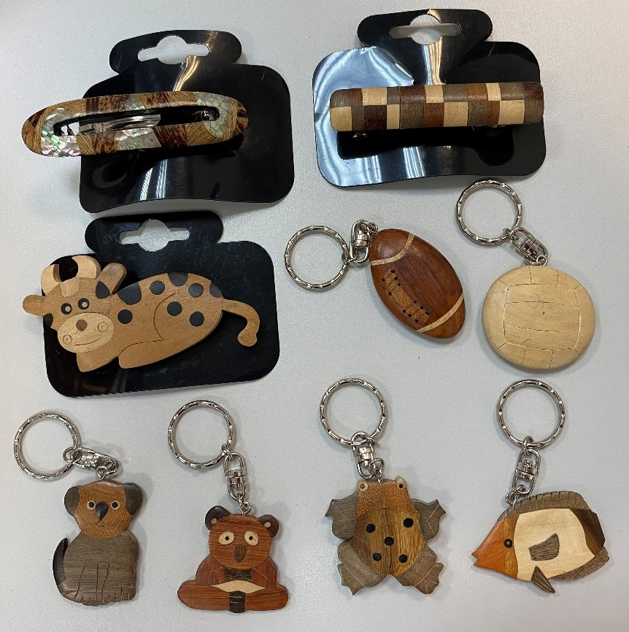
Wooden Hair Slides Assorted | 9072 | 144 | 63
Wooden Hair Slides Assorted | 9072 | 144 | 63
Wooden Hair Slides Assorted | 9072 | 144 | 63
Wooden Hair Slides Assorted | 9072 | 144 | 63
Wooden Hair Slides Assorted | 9072 | 144 | 63
 | 45360

Wooden Animal Hair Slides (1) 24 assorted | 18288 | 144 | 127

Wooden Keyring Assorted (7) 18 assorted | 9468 | 144 | 65.75
 | 118476

